Read Me First
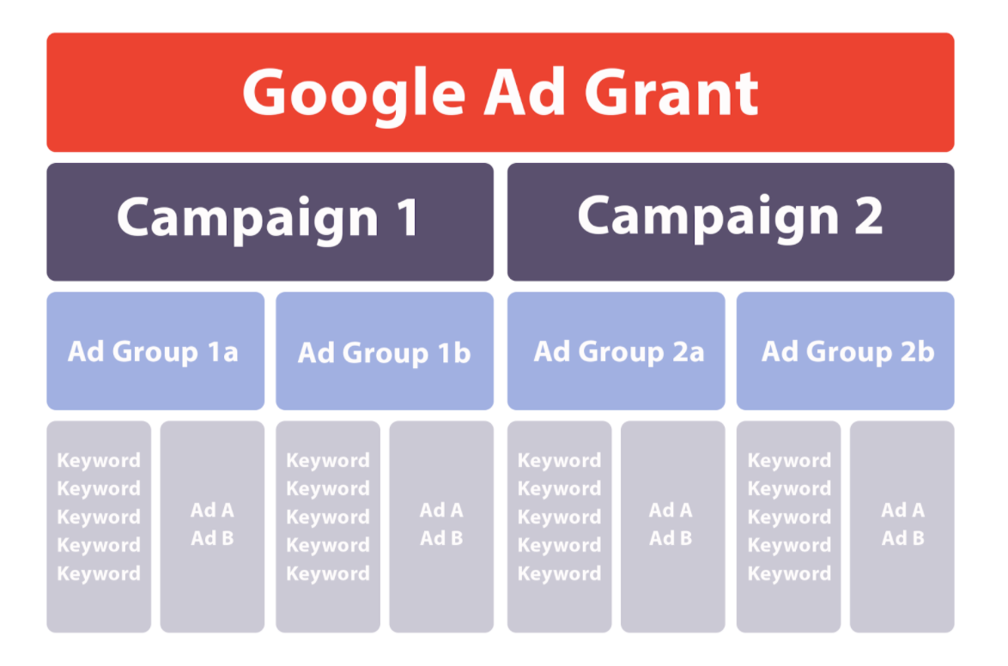
Hello! Here are some helpful videos and resources from Google to help you plan your Ad Grant campaigns, build an effective keyword list, and create compelling ad copy. Please note that tips are also provided on the Keywords and Ad Copy tabs.

Welcome to Google Ad Grants - VIDEO
Choosing, Reviewing, and Optimizing Keywords - VIDEO
Keyword Research Made Easy - BLOG POST
Educational Resources - CHECKLIST
Plan Your Campaign - Google Ads - VIDEO
Basic Structure for an Ad Grant Account:

